Table 1
Empirical Bayes Shrinkage Estimates of State Supplemental Nutrition Assistance Program Participation Rates in Fiscal Year 2012 to Fiscal Year 2014 for All Eligible People and Working Poor People Final Report January 2017 Karen Cunnyngham Amang Sukasih Laura Castner Submitted to: U.S. Department of Agriculture Food and Nutrition Service 3101 Park Center Drive, Room 1014 Alexandria, VA 22302 Project Officer: Jenny Genser Contract Number: AG-3198-K-16-0011 Submitted by: Mathematica Policy Research 1100 1st Street, NE 12th Floor Washington, DC 20002-4221 Telephone: (202) 484-9220 Facsimile: (202) 863-1763 Project Director: Karen Cunnyngham Reference Number: 50235.600

USDA is an Equal Opportunity Provider
CONTENTS
EXECUTIVE SUMMARY ix I. INTRODUCTION 1 II. A STEP-BY-STEP GUIDE TO DERIVING STATE ESTIMATES 9 A. From CPS ASEC data and SNAP administrative data, derive direct estimates of state SNAP participation rates 9 B. Using a regression model, predict state SNAP participation rates based on administrative, ACS, and other data 10 C. Using shrinkage methods, average the direct estimates and regression predictions to obtain preliminary shrinkage estimates of state SNAP participation rates 12 D. Adjust the preliminary shrinkage estimates to obtain final shrinkage estimates of state SNAP participation rates and numbers of eligible people 12 III. STATE ESTIMATES OF SNAP PARTICIPATION RATES AND NUMBER OF ELIGIBLE PEOPLE 15 REFERENCES 25 APPENDIX A THE ESTIMATION PROCEDURE: ADDITIONAL TECHNICAL DETAILS........................A.1 APPENDIX B DATA FOR FIGURES IN CUNNYNGHAM (2017) ............................................................. B.1
TABLES
III.1. Final shrinkage estimates of SNAP participation rates 17 III.2. Final shrinkage estimates of number of people eligible for SNAP 18 III.3. Approximate 90 percent confidence intervals for final shrinkage estimates for 2012, all eligible people 19 III.4. Approximate 90 percent confidence intervals for final shrinkage estimates for 2013, all eligible people 20 III.5. Approximate 90 percent confidence intervals for final shrinkage estimates for 2014, all eligible people 21 III.6. Approximate 90 percent confidence intervals for final shrinkage estimates for 2012, working poor people 22 III.7. Approximate 90 percent confidence intervals for final shrinkage estimates for 2013, working poor people 23 III.8. Approximate 90 percent confidence intervals for final shrinkage estimates for 2014, working poor people 24
A.1. Number of people receiving SNAP benefits, monthly average 22 A.2. Estimated percentage of participants who are correctly receiving benefits and eligible under federal SNAP rules 23 A.3. Estimated number of participants who are correctly receiving benefits and income eligible under federal SNAP rules, monthly average 24 A.4. Estimated number of working poor participants who are correctly receiving benefits and eligible under federal SNAP rules, monthly average 25 A.5. Estimated percentage of people eligible for SNAP 26 A.6. Directly estimated number of people eligible for SNAP 27 A.7. Directly estimated number of working poor people eligible for SNAP 28 A.8. CPS ASEC population estimate 29 A.9. Population on July 1 30 A.10. Percentage of working poor participants without reported earned income but with other indicators of earnings 31 A.11. Direct estimates of SNAP participation rates 32 A.12. Standard errors of direct estimates of SNAP participation rates
A.16. Values for 2013 predictors 37 A.17. Values for 2014 predictors 38 A.18. Regression estimates of SNAP participation rates 39 A.19. Standard errors of regression estimates of SNAP participation rates 40 A.20. Preliminary shrinkage estimates of SNAP participation rates 41 A.21. Final shrinkage estimates of SNAP participation rates 42 A.22. Standard errors of final shrinkage estimates of SNAP participation rates 43 A.23. Final shrinkage estimates of number of people eligible for SNAP 44 A.24. Final shrinkage estimates of number of working poor eligible for SNAP 45 A.25. Standard errors of final shrinkage estimates of number of people eligible for SNAP 46 A.26. Standard errors of final shrinkage estimates of number of working poor eligible for SNAP 47 B.1. How many were eligible in 2014? What percentage participated? 3 B.2. How many working poor people were eligible in 2014? What percentage participated? 4 B.3. Estimates of participation rates (percent) 5 B.4. How did your state rank in 2014? 6 B.5a. How did your state compare with ot
FIGURES
I.1 An illustrative regression estimator 5 I.2 Shrinkage estimation 8 II.1 The estimation procedure 10
A.1 Algorithm to identify working poor households A.5 A.2 Preliminary estimated participation rates over 100 percent........................................................ A.19
EXECUTIVE SUMMARY
The Supplemental Nutrition Assistance Program (SNAP) is a central component of U.S. policy to alleviate hunger and poverty. SNAP is the largest of the domestic food and nutrition assistance programs administered by the U.S. Department of Agriculture’s Food and Nutrition Service. During fiscal year 2016, the program served over 44 million people in an average month at a total annual cost of nearly $67 billion in benefits. This report presents estimates that measure the need for SNAP and the program’s effectiveness at reaching its target population in each state for fiscal years 2012 to 2014. Need for the program is measured by estimated numbers of people eligible for SNAP. The program’s performance is measured by estimated SNAP participation rates. In addition to estimates that pertain to all eligible people, we derived estimates for “working poor” people, that is, people who were eligible for SNAP and lived in households in which someone earned income from a job.
The estimates for all eligible people and for working poor people were derived jointly using empirical Bayes shrinkage estimation methods and data from the Current Population Survey Annual Social and Economic Survey (CPS ASEC), the American Community Survey, and administrative records. The shrinkage estimator averaged direct estimates of participation rates in each state with predictions from a regression model. The regression predictions were based on observed indicators of socioeconomic conditions in the states, such as the percentage of the total state population receiving SNAP benefits. The shrinkage estimates derived are substantially more precise than direct estimates from the Current Population Survey, the best source of current data on household incomes used to model program eligibility. Shrinkage estimators improve precision by “borrowing strength,” that is, by using data for multiple years from all the states to derive each state’s estimates for a given year and by using data from multiple sources, including sample surveys and administrative data. This report describes our shrinkage estimator in detail. Final shrinkage estimates for FY 2012 and FY 2013 presented in this report differ slightly from the estimates presented in Cunnyngham (2016) and Cunnyngham et al. (2016) because of annual data updates. As a result, the estimates presented in this report should not be compared to those published in earlier reports.
I. INTRODUCTION
The Supplemental Nutrition Assistance Program (SNAP) is a central component of U.S.
policy to alleviate hunger and poverty. The program’s main purpose is “to permit low-income
households to obtain a more nutritious diet . . . by increasing their purchasing power” (Food and
Nutrition Act of 2008). SNAP is the largest of the domestic food and nutrition assistance
programs administered by the U.S. Department of Agriculture’s Food and Nutrition Service.
During fiscal year 2016, the program served over 44 million people in an average month at a
total annual cost of nearly $67 billion in benefits.
This report presents estimates that measure the need for SNAP and the program’s effectiveness at reaching its target population in each state for fiscal years 2012 to 2014.1 Need
for the program is measured by estimated numbers of people eligible for SNAP. The program’s
performance is measured by estimated SNAP participation rates, the percentage of eligible
people who actually participate in the program. In addition to presenting estimates that pertain to
all eligible people, we present estimates for “working poor” people, that is, people who are
eligible for SNAP and live in households in which someone earned income from a job or self-
employment.
We derived estimates for all eligible people and working poor people for each state in each
of the three fiscal years using empirical Bayes shrinkage estimation methods. Specifically, we
used a shrinkage estimator that optimally averaged direct estimates of SNAP participation rates
with predictions from a regression model. We obtained the direct estimates by applying SNAP
eligibility rules to households in the Current Population Survey Annual Social and Economic
Supplement (CPS ASEC) to estimate numbers of eligible people and using SNAP
1 The estimates presented here are also reported and compared with one another in Cunnyngham (2017).

Quality Control (QC) data to estimate numbers
U.S. Census Bureau Data The Current Population Survey (CPS) is conducted monthly for the Bureau of Labor Statistics and is the primary source of current information on the labor force characteristics of the U.S. population. The CPS Annual Social and Economic Supplement (ASEC) includes additional data on work experience, income, and noncash benefits, and has a sample size of close to 100,000 households. The American Community Survey (ACS) is conducted monthly in every county, American Indian and Alaska Native Area, Hawaiian Home Land, and Puerto Rico. Designed to replace the decennial census long form, it collects economic, social, demographic, and housing information on about three million households annually. The Census Bureau develops annual population estimates using decennial census population estimates and administrative records and other data on births, deaths, net domestic migration, and net international migration. More information on these data sources is available at http://www.census.gov.
of participating people. The regression predictions drew on data from the American Community Survey (ACS), individual tax
returns, population estimates, and administrative records. The remainder of this introductory chapter
provides an overview of indirect estimation and our shrinkage estimator. Chapter II describes,
step by step, how we derived the shrinkage estimates presented here, and Chapter III
presents state estimates for all eligible people
and working poor people. Technical details and
additional information about our estimation methods are provided in Appendix A. Appendix B
contains data for the figures presented in Cunnyngham (2017).
Direct estimates. The principal challenge in deriving state estimates like those presented in
this report is the small sample size of the CPS ASEC. The optimal survey for estimating state
SNAP eligibility would (1) have a large sample for all states, (2) be representative at the state
level, and (3) contain the detail on household relationships and income sources needed to
estimate program eligibility. Among the three leading surveys, the CPS ASEC comes closest to
meeting these standards despite its small sample sizes for most states. Another national
household survey, the Survey of Income and Program Participation (SIPP), contains more detail
on relationships and income than the CPS ASEC, but is not representative at the state level (and
has even smaller state samples). The third candidate, the ACS, is much larger than the CPS
ASEC but has fewer details on relationships and income sources. Additionally, unlike the CPS
ASEC’s fixed reference period of the prior calendar year for all households, the ACS reference
period is the prior 12 months and so varies across households by up to a year, depending on
when respondents complete the survey. For these reasons, we use the CPS ASEC to estimate
SNAP eligibility.
However, estimates of SNAP eligibility and participation rates based only on the CPS ASEC
sample for the state and time period in question, or “direct” estimates, are imprecise for many
states. For example, to directly estimate West Virginia’s Fiscal Year (FY) 2014 SNAP
participation rate, we used only FY 2014 CPS ASEC data on households from West Virginia.
Because of the potential errors introduced by the CPS ASEC surveying a small number of
families in West Virginia, we can be confident—by a commonly used standard—only that West
Virginia’s SNAP participation rate in FY 2014 was between about 72 and 89 percent. This range
is wide, although typical, reflecting our substantial uncertainty about what West Virginia’s
participation rate actually was.
Indirect estimators. To improve precision, statisticians have developed indirect estimators,
which borrow strength by using data from additional states, time periods, or data sources. The
assumption underlying indirect estimation is that what happened in other states and in other years
is relevant to estimating what happened in a particular state in a particular year.
A generally superior indirect estimator is the shrinkage estimator, which averages estimates
obtained from different methods. Fay and Herriott (1979) developed a shrinkage estimator that
combined direct sample and regression estimates of per capita income for small places that were
used to allocate funds under the General Revenue Sharing Program. In another application of
shrinkage methods, shrinkage estimates of poor school-aged children by state and county were
used in allocating Title I compensatory education funds for disadvantaged youth (National
Research Council 2000). Shrinkage estimators have also been used to develop state estimates of
income-eligible infants and children for allocating funds under the Special Supplemental
Nutrition Program for Women, Infants, and Children (WIC) (Schirm 2000). The WIC eligibles
estimator used several years of CPS ASEC data and combined direct estimates with predictions
from a regression model.
In these and other applications of shrinkage estimation, the gain in precision from borrowing
strength via a shrinkage estimator can be substantial. For example, the confidence intervals for
the shrinkage estimates of WIC eligibles in 1992 were, on average, 61 percent narrower than the
corresponding confidence intervals for the direct estimates (Schirm 1995). To obtain that same
gain in precision with a direct estimator would require—according to rough calculations— more
than a six-fold increase in sample size. The gain in precision from using shrinkage estimation for
another application might not be the same as for the 1992 WIC estimates. In addition, shrinkage
estimates derived for any one application are not guaranteed to be more accurate than estimates
obtained using some other method. However, they have good statistical properties in general and
we have found that for our specific application, shrinkage estimation can greatly improve
precision.
Regression estimates. The first step of our shrinkage estimator is to use data from outside
the CPS ASEC to estimate a regression model and formulate a prediction for each group (all
eligible people and working poor people) in each state in each year.
Regression estimates are predictions based either on nonsample or on highly precise sample
data. Figure I.1 illustrates how a regression estimator works. The simple example in the figure
has only nine states and data for just one year on one predictor—the SNAP “prevalence” rate—
that will be used to predict each state’s SNAP participation rate for eligible people. The SNAP
prevalence rate is measured by the percentage of all people (eligible and ineligible combined)
Figure I.1. An illustrative regression estimator
who received SNAP benefits, in contrast to the SNAP participation rate, which is measured by
the percentage of eligible people who received SNAP benefits. The triangles in the figure
correspond to direct sample estimates; a triangle shows the prevalence rate in a state (horizontal
axis) and the sample estimate of the participation rate in that state (vertical axis). Not
surprisingly, the graph suggests that prevalence and participation rates are systematically
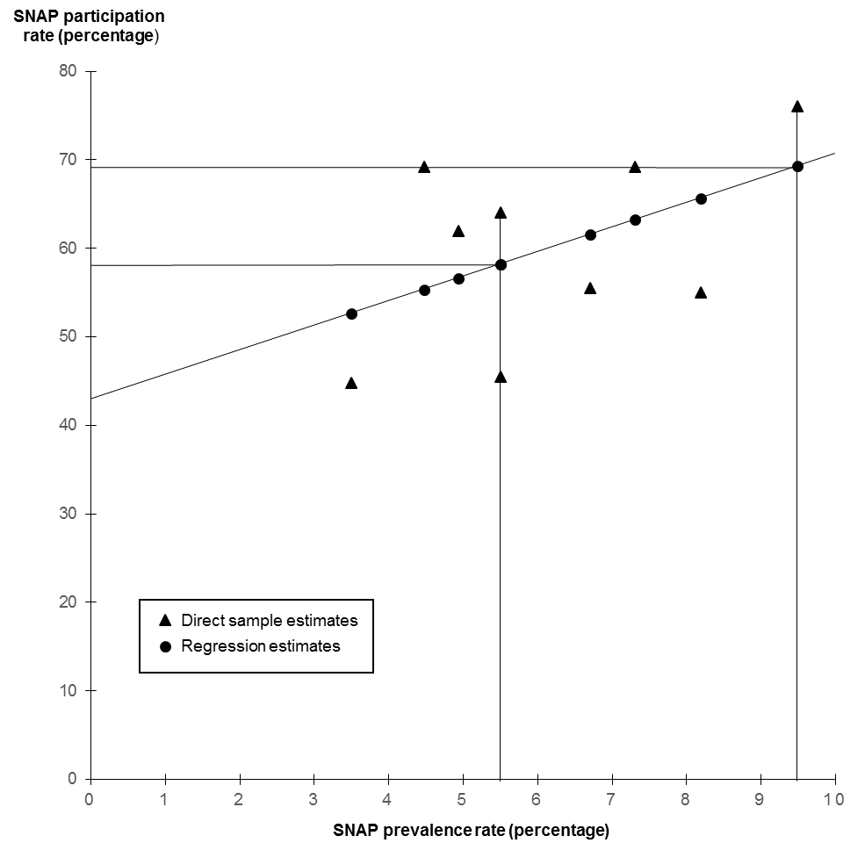
associated. States with higher percentages of all people participating in the program tend to have

higher percentages of eligible people participating, although the relationship is far from perfect.
To measure this relationship between prevalence and participation rates and derive predictions,
we can use a technique called “least squares regression” to draw a line through the triangles.
Regression estimates of participation rates are points on that line, the circles in Figure I.1. The
predicted participation rate for a particular state is obtained by moving up or down from the
state’s direct sample estimate (the triangle) to the regression line (where there is a circle) and
reading the value from the vertical axis. For example, the regression estimator predicts a
participation rate of just under 60 percent for both states with prevalence rates of about 5.5
percent. In contrast, for the state with about 9.5 percent of people receiving SNAP benefits, the
predicted participation rate is nearly 70 percent.
Comparison of direct and regression estimators. Comparing how the direct and
regression estimators use data reveals how the regression estimator borrows strength to improve
precision. To derive direct estimates, we used only one year’s CPS ASEC sample data from
West Virginia to estimate the state’s participation rate in that year. To derive regression
estimates, we estimated a regression line from sample, administrative, and ACS data for multiple
years and all the states and used the estimated line (with administrative and ACS data for West
Virginia) to predict West Virginia’s participation rate in a given year. In other words, the
regression estimator not only uses the direct estimates from every state for multiple years to
develop a regression estimate for a single state in a single year, but also incorporates data from
outside the sample, namely, data in administrative records systems and the ACS. To improve
precision even further, the estimator borrows strength across groups—all eligible people and
working poor people—by deriving estimates for the groups jointly.
The regression estimator can improve precision by using additional data to identify states
with direct estimates that seem too high or too low because of sampling error (error from
drawing a sample of the population that has a higher or lower participation rate than the entire
state population has.) For example, when a state has a low SNAP prevalence rate and values for
other predictors that are consistent with a low SNAP participation rate, our regression estimator
will predict a low participation rate for that state. If the direct estimate for that state is high, the
regression estimate will be lower than the direct estimate. On the other hand, if the sample data
for a state show a lower participation rate than expected in light of the SNAP prevalence rate and
the other predictors, the regression estimate for that state will be higher than the direct estimate.
A limitation of the regression estimator is “bias.” Some states really have higher or lower
participation rates than predicted with the regression estimator. Such errors in regression
estimates reflect bias. Although the regression estimator borrows strength, using data from all the
states and multiple years as well as administrative and ACS data, it makes no further use of the
sample data after estimating the regression line. It treats the entire difference between the sample
and regression estimates as sampling error, that is, error in the direct estimate. No allowance is
made for prediction error, that is, error in the regression estimate. Although not all, if any, true
state participation rates lie on the regression line, the assumption underlying the regression
estimator is that they do.
Shrinkage estimator. The shrinkage estimator strikes a compromise between the limitations
of the direct estimator (imprecision) and the regression estimator (bias) by combining the two
estimates. As illustrated in Figure I.2, the shrinkage estimator takes a weighted average of the
direct and regression estimates, weighting them according to their relative accuracy. When the
direct estimate is more precise than the regression estimate, the estimator gives more weight to
the direct estimate. On the other hand, when the regression estimate is more precise than the
direct estimate, the estimator gives more weight to the regression estimate. The larger samples
drawn in large states support more precise direct estimates, so shrinkage estimates tend to be
closer to the direct estimates for large states. The weight given to the regression estimate depends
on how well the regression line “fits.” If we find good predictors reflecting why some states have
higher participation rates than other states, we say that the regression line “fits well.” The
shrinkage estimate will be closer to the regression estimate when the regression line fits well
than when the line fits poorly.
Figure I.2. Shrinkage estimation
The direct and regression estimates are optimally weighted to improve accuracy by
minimizing a measure of error that reflects both imprecision and bias. By accepting a little bias,
the shrinkage estimator may be substantially more precise than the direct sample estimator. By
sacrificing a little precision, the shrinkage estimator may be substantially less biased than the
regression estimator. The shrinkage estimator optimizes the tradeoff between imprecision and
bias.

II. A STEP-BY-STEP GUIDE TO DERIVING STATE ESTIMATES
This chapter describes our procedure for estimating state SNAP participation rates for all
eligible people and working poor people and the numbers of people eligible for SNAP benefits
for FY 2012 to FY 2014. This procedure, summarized by the flow chart in Figure II.1, has the
following four steps:
1. From CPS ASEC data, SNAP administrative data, and population estimates, derive direct estimates of state SNAP participation rates. 2. Using a regression model and the direct estimates derived in Step 1, predict state SNAP participation rates based on SNAP administrative, individual income tax, and ACS data and population estimates. 3. Using a shrinkage estimator, average the direct estimates from Step 1 and the regression predictions from Step 2 to obtain preliminary shrinkage estimates of state SNAP participation rates. 4. Adjust the preliminary shrinkage estimates from Step 3 using national estimates of eligible people derived from the CPS ASEC to obtain final shrinkage estimates of state SNAP participation rates.
Each step is described in the remainder of this chapter. Additional technical details are provided
in Appendix A. A. From CPS ASEC data and SNAP administrative data, derive direct estimates of state SNAP participation rates A SNAP participation rate is obtained by dividing an estimate of the number of people
participating in SNAP by an estimate of the number of people eligible for SNAP, with the
resulting ratio expressed as a percentage. We used SNAP QC data to estimate numbers of
participants in an average month in the fiscal year and CPS ASEC data to estimate numbers of
eligible people in an average month. Because the CPS ASEC collects income data for the prior
calendar year, we obtained estimates of eligible people in FY 2014 (October 2013 through
September 2014) from the 2014 and 2015 CPS ASEC. To derive a participation rate for working
poor people, we divided the number of working poor participants by the number of
Figure II.2. The estimation procedure
eligible working poor people. Appendix A presents direct estimates and their standard errors for
each group (all eligible people and working poor people) in each state for each of the three fiscal
years. B. Using a regression model, predict state SNAP participation rates based on administrative, ACS, and other data To derive regression estimates for the three fiscal years and for all eligible people and
working poor people, we included all of the states, not just nine as in our illustrative example in
Chapter 1, and we used seven predictors, not just one. The seven predictors used for the
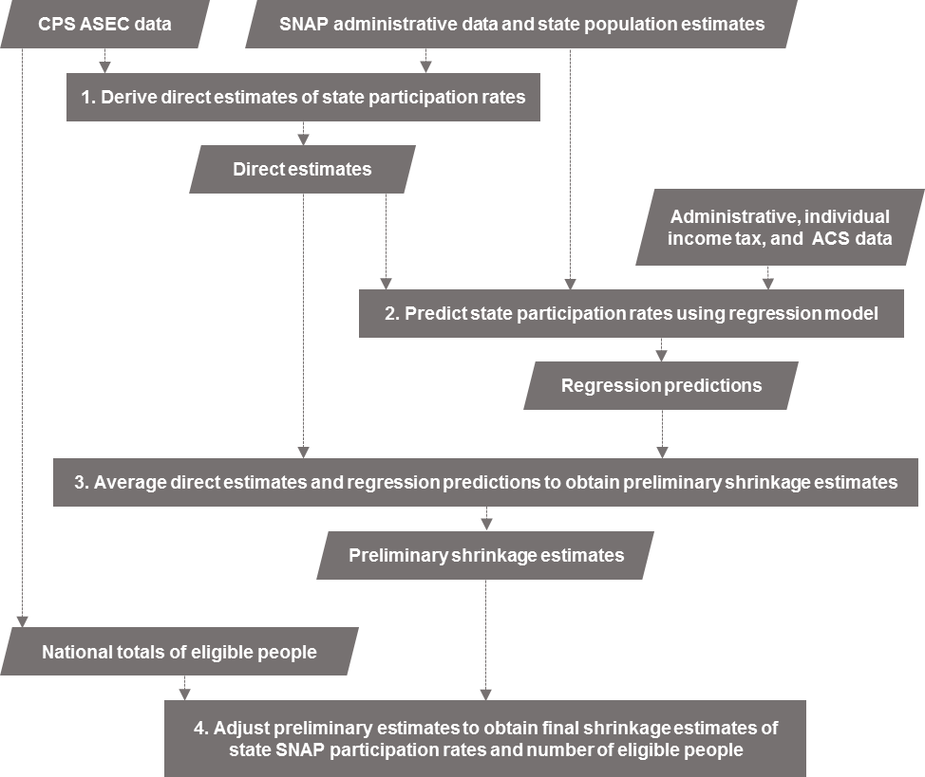
estimates in this report measure the following:

• Percentage of the population receiving SNAP benefits according to administrative data and population estimates • Percentage of renter occupied housing units that spent 50 percent or more of household income on rent and utilities according to ACS one-year estimates • Percentage of children under age 18 with household income under 50 percent of the federal poverty level according to ACS one-year estimates • Percentage of occupied housing units that are owner occupied according to ACS one-year estimates • Percentage of civilian employed people age 16 and older who were in service occupations according to ACS one-year estimates • Percentage of people age 65 and older not claimed on tax returns or claimed on tax returns with adjusted gross income under the federal poverty level according to individual income tax data and population estimates • Percentages of all people not claimed on tax returns according to individual income tax data and population estimates
These seven predictors were selected as the best from a longer list described in Table A.13,
which provides complete definitions and sources for the predictors. The third through sixth
predictors listed above were included in last year’s model. Other predictors used in the previous
model were (1) the percentage of the population correctly receiving SNAP benefits under regular
program rules according to administrative data and population estimates, (2) the percentage of
civilian employed people age 16 and older who were employed in the private sector according to
ACS one-year estimates, and (3) the percentage of children ages 5 to 17 approved to receive free
lunches under the National School Lunch Program according to administrative data and
population estimates.
Appendix A presents the regression estimates and their standard errors. The standard errors
tend to be fairly equal across the states and much smaller than the largest standard errors for
direct estimates, reflecting substantial gains in precision from regression for the states with the
most error-prone direct estimates.
C. Using shrinkage methods, average the direct estimates and regression predictions to obtain preliminary shrinkage estimates of state SNAP participation rates To derive preliminary estimates of state SNAP participation rates, we averaged the direct
estimates calculated in Step 1 and the regression predictions from Step 2 using an empirical
Bayes shrinkage estimator. (See Appendix A for a description of the empirical Bayes methods
we used.) We call the estimates from this step “preliminary” because we make some fairly small
adjustments to them in the next step. Appendix A presents the preliminary shrinkage estimates of
state SNAP participation rates for all eligible people and working poor people for all three fiscal
years. D. Adjust the preliminary shrinkage estimates to obtain final shrinkage estimates of state SNAP participation rates and numbers of eligible people We adjusted the preliminary shrinkage estimates of participation rates in two ways. First, we
adjusted the rates so that the counts of eligible people implied by the rates sum to the national
count of eligible people estimated directly from the CPS ASEC. Second, we adjusted the rates so
that no state’s estimated rate was greater than 100 percent. These adjustments were carried out
separately for each year and for the two groups (all eligible people and working poor people).
The following description of the adjustments will focus on the FY 2014 estimates for all eligible
people. In Appendix A, we describe the results of the adjustments for other years and for
working poor people and discuss our adjustment method in more detail.
To implement the first adjustment, we calculated preliminary estimates of the numbers of
eligible people from the preliminary estimates of participation rates derived in Step 3 and the
administrative estimates of the numbers of SNAP participants obtained in Step 1. The state
estimates of eligible people summed to 51,993,244 for FY 2014, and the national total for FY
2014 estimated directly from the CPS ASEC was 51,025,996. To obtain estimated numbers of
eligible people for states that sum (aside from rounding error) to the direct estimate of the
national total, we multiplied each of the state preliminary estimates of eligible people by 51,025,996 / 51,993,244 (0.9814). Such benchmarking of estimates for smaller areas to a
relatively precise estimated total for a larger area is common practice.
After carrying out this first adjustment, six states, Maine, Michigan, Oregon, Vermont,
Washington, and Wisconsin had fewer estimated eligible people than participants in FY 2014,
implying participation rates over 100 percent. To cap participation rates at 100 percent, we
performed a second adjustment. Specifically, we increased the number of eligible people in
Maine, Michigan, Oregon, Vermont, Washington, and Wisconsin so that the number of eligible
people in those states equaled the number of participants. We reduced the number of eligible
people in the other 44 states and the District of Columbia by an equivalent number and in
proportion to their numbers of eligible people. This adjustment, which moved small numbers of
eligible people among states, did not change the national total. Moreover, except for the states
with participation rates initially over 100 percent, this adjustment did not change any state’s
participation rate by more than four tenths of a percentage point. The rounded participation rates
for some states did increase by one percentage point, however.
Applying this adjustment, we obtained our final shrinkage estimates of the numbers of
people eligible for SNAP. From those estimates and our administrative estimates of the numbers
of SNAP participants, we derived final shrinkage estimates of participation rates. Our final
shrinkage estimates are presented in the next chapter.
III. STATE ESTIMATES OF SNAP PARTICIPATION RATES AND NUMBER OF ELIGIBLE PEOPLE
Tables III.1 and III.2 present our final shrinkage estimates of SNAP participation rates and
the number of people eligible, respectively, in each state for FY 2012 to FY 2014 for all eligible
people and for working poor people. These shrinkage estimates are relatively precise; they have
much smaller standard errors and narrower confidence intervals than the CPS ASEC direct
estimates. Tables III.3 to III.8 display approximate 90 percent confidence intervals showing the
uncertainty remaining after using shrinkage estimation to derive the estimates in Tables III.1 and
III.2. One interpretation of a 90 percent confidence interval is that there is a 90 percent chance
that the true value—that is, the true participation rate or the true number of eligible people—falls
within the estimated bounds. For example, although our best estimate is that West Virginia’s
participation rate for all eligible people was 82 percent in FY 2014 (see Table III.1), the true rate
may have been higher or lower. However, according to Table III.5, the chances are 90 in 100 that
the true rate was between 76 and 88 percent, an interval that is 69 percent as wide as the interval
(72 and 89 percent, as cited in Chapter I) around the direct estimate. A narrower interval means
that we are less uncertain about the true value. According to our calculations, a shrinkage
confidence interval for a participation rate is, on average, only about 62 percent as wide as the
corresponding direct confidence interval. Thus, shrinkage substantially improves precision and
reduces our uncertainty.
Despite the impressive gains in precision, however, substantial uncertainty about the true
participation rates for some states remains even after the application of shrinkage methods.
Nevertheless, as discussed in Cunnyngham (2017), the shrinkage estimates are sufficiently
precise to show, for example, whether a state’s SNAP participation rate was probably near the
top, near the bottom, or in the middle of the distribution of rates in a given year. That is enough
information for many important purposes, such as guiding an initiative to improve program
performance.
Final shrinkage estimates for FY 2012 and FY 2013 presented in this report differ slightly
from the estimates presented in Cunnyngham (2016) and Cunnyngham et al. (2016) for three
reasons.
1. We made minor adjustments to the methodology used to estimate the numbers of eligible people. The changes, described in Farson Gray and Cunnyngham (2016) slightly affect the eligibility of noncitizens. 2. The shrinkage estimator uses data from three years to estimate participation rates for each year. Annually, data for the most recent year are added and data for the oldest year are dropped. As a result, the estimates for 2012 and 2013 presented in this report are based on 2012 to 2014 data, and the corresponding estimates published in Cunnyngham et al. (2016) are based on 2011 to 2013 data. 3. The shrinkage estimator incorporates a regression model that is updated each year. Each year we choose a regression model that best predicts participation rates for all three years and both groups (all eligible people and eligible working poor.) Although we place a premium on maintaining consistency in regression predictors from year to year, differences between 2011 data (used in the previous estimates) and 2014 data (used in the current estimates) resulted in the use of a different regression model. Different regression models lead to slight differences in predicted participation rates, which in turn lead to slight differences in estimated participation rates.
...

Table 10
criteria.
We estimated the percentage of people who were eligible for SNAP according to:
(2) E = 100 Z1,i ,
N
1,i i
where Z1,i is the CPS ASEC estimate of the number of eligible people and Ni is the CPS ASEC
estimate of the population. To derive fiscal year estimates, we combined two years of the CPS
ASEC. For example, to estimate Z1,i for FY 2014, we used data from the 2014 CPS ASEC
(simulating October through December 2013) and the 2015 CPS ASEC (simulating January
through September 2014). To estimate Ni for FY 2014, we used a weighted average of
population estimates from the two CPS ASEC files. Estimated percentages are more precise than
estimated counts because the sampling errors in the numerators and denominators of percentages
tend to be positively correlated and, therefore, partially cancel each other out.
We similarly derived sample estimates of participation rates for working poor people for a
given year according to: |  | (3) | Y = 100 Pi (ε2,i / 100)
and | 2,i |  |  | (E 2,i | / 100)Ti
(4) E = 100 Z2,i ,
N
2,i i
Where Y2,i is the estimated participation rate for working poor people for state i; ε 2,i is the
percentage of SNAP participants who are working poor, correctly receiving SNAP benefits, and
eligible under federal SNAP rules according to SNAP QC data; E2,i is the percentage of people

Table 12
...
members of a dwelling unit purchase and prepare food together or which members may be
CPS ASEC household, taking account of the restrictions on participation by noncitizens,
distributing annual amounts across months, and imputing net income—are described in Farson Gray and Cunnyngham (2016) and earlier reports in that series.5 These reports also describe how
we applied SNAP gross and net income tests and calculated the benefits for which an eligible
household would qualify.
In addition to our point estimates of participation rates, we need estimates of their sampling
variability. We can estimate the variances of Y1,i and Y2,i as follows:6
(5) var(Y1,i ) = variance due to E1,i when ε1,i is fixed  variance due to ε1,i when E1,i is fixed
= varE |ε (Y1,i )  varε |E (Y1,i )
and | 1 1 1 1
(6) var(Y2,i ) = variance due to E2,i when ε2,i is fixed  variance due to ε2,i when E2,i is fixed
2 2
2 2
= varE |ε (Y2,i )  varε |E (Y2,i ).
5 Because our focus in this document is on participation among people who are eligible for SNAP, these estimates of SNAP eligibility counts and participation rates do not include people who are not legally entitled to receive SNAP benefits, such as Supplemental Security Income (SSI) recipients in California who receive cash in lieu of SNAP benefits. It might be useful in other contexts, however, to consider participation rates among those eligible for SNAP or a cash substitute. 6 Correctly-eligible rates for all eligible participants and eligible working poor participants are estimated from SNAP QC data and subject to sampling error, although it is small relative to other sources of error in the estimated participation rates. In taking into account these sampling errors, we take into account the correlation between the sampling error associated with the correctly eligible rate and sampling error associated with the correctly eligible working poor rate.

When a variable is held fixed, we fix it at its point estimate. Note that we do not include

Table 13
 |  |  |  |  |  |  |  |  | E1,i
...
 | varE1|ε1 (Y1,i ) |  |  | and |  | varE2 |ε 2 (Y2,i ) |  |  |  | using a replication method
...
4
...
1 1
...
 |  |  | Z E = 100 1,i (r )
1,i(r) |  |  |  |  |  |  | Ni (r )
 |  | Y = 100 |  |  | Pi (ε1,i / 100) .
 |  |  |  |  | (E1,i (r ) |  |  | / 100)Ti
...

Table 14
4
160
160 2
2 2  2,i (r ) 2,i (10) varE |ε (Y2,i ) = (Y  Y ) , r = 1
Next, based on Equation (1) we can estimate varε1|E1 (Y1,i ) according to:
2  P 
1 1
⎜ ⎟
(11) varε |E |  |  |  |  | (Y1,i | ) = 100 i TE |  | var(ε | 1,i ) ,
 i 1,i 
because | P1,i | and Ti | are constants (or, at least, subject to negligible sampling variability) and |  |  |  |  |  |  | E1,i
is held fixed at its point estimate. Also note that we estimated ε1,i (the correctly-eligible rate) and ε 2,i (the percentage of participants who are working poor and correctly eligible) from the SNAP
QC sample data as follows: |  |  |  | (12) |  mi,hε1,i,h ε  100 h ,
1,i |  |  |  |  |  |  |  mi,h
and |  |  | (13) |  | h  mi,hε2,i,h ε  100 h ,
2,i |  |  |  |  |  |  |  mi,h
h
where h indexes households in a state’s SNAP QC sample; mi,h equals the number of people in household h times the weight for household h; ε1,i,h is an indicator that household h is eligible to receive SNAP benefits; and ε 2,i,h is an indicator that household h is working poor and eligible to
receive SNAP benefits.
...

Table 15
(14) |  |  mi,h(r )ε1,i,h ε  100 h , r  |  |  |  |  |  |  |  |  |  | 1, 2, ..., 500 ,
1,i (r ) |  |  |  mi,h(r )
h
where mi,h(r ) is the number of people in household h times the rth replicate weight for household
ε
∑
∑
− ε ) ,
h. Then: where | (15) var(ε |  |  |  | 1,i |  | )  1 500 ε 499 r1 |  |  |  | * 2 1,i (r ) 1,i
(16) |  |  |  |  |  | * 1,i |  |  |  1 500 ε 500 r1 |  | 1,i (r ) .
Similarly, variances varε 2 |E2 (Y2,i ) pertaining to working poor people can be calculated in the
same manner, by substituting ε 2,i ,h for ε 1,i,h ; ε 2,i (r ) |  |  |  |  |  |  |  |  |  | for ε 1,i (r ) ; and |  |  |  |  | var(ε 2,i ) for var(ε 1,i ) in
Equations (11) to (16), resulting in |  |  |  |  | 2  P 
⎜ ⎟
(17) varε |  |  | 2 |E2 | (Y2,i |  |  |  | ) = 100 i TE |  |  |  |  | var(ε | 2,i ) .
 i 2,i 
Summing the estimates from Equations (7) and (11)—as indicated by Equation (5)—and
taking the square root of the sum provides an estimated standard error of the participation rate for
all eligible people. Similarly, summing the estimates from Equations (10) and (17)—as indicated
by Equation (6)—and taking the square root of the sum provides an estimated standard error of
the participation rate for working poor people.
We estimated the covariance between the estimates of participation rates for all eligible people and working poor people, for a given year, according to:7
7 We do not need to include additional terms because the CPS ASEC and SNAP QC samples are independent.

1 2 1 2 1 2 1 2
(18) cov(Y1,i ,Y2,i ) = covariance due to E1,i and E2,i when ε1,i and ε2,i are fixed  covariance due to ε1,i and ε2,i when E1,i and E2,i are fixed = covE E |ε ε (Y1,i ,Y2,i )  covε ε |E E (Y1,i ,Y2,i ).

Table 16
To derive an estimate of the first term in this expression, we obtained an SDRM estimate of the
covariance due to |  | E1,i and | E2,i |  |  | according to:
4 160
1 2 1 2
(19) covE E |εε (Y1,i ,Y2,i ) = 160 (Y1,i (r )  Y1,i )(Y2,i (r )  Y2,i ) .
r = 1 For the second term, we estimated the covariance due to ε1,i and ε 2,i according to:
 P  P 
1 2 1 2
(20) covε ε |E E |  |  |  |  |  |  | (Y1,i | ,Y2,i | ) = 100 i 100 i cov(ε TE TE
where | (21) cov(ε ,ε |  |  |  |  )  1  |  |  |  |  | i ni  |  | 1,i  m |  | i 2 ε |  | 2,i   ε |  | ε
1,i |  |  |  | 2,i |  |  | ( m )2  n 1  |  |  |  |  |  | i,h |  | 1,i,h |  | 1,i
 i,h  i  h h
Because CPS ASEC samples from different years are not independent, participation rates for different years are correlated.8 We derived a preliminary SDRM estimate of the correlation
between Y1,i,t and Y2,i,t  g , the sample estimate for all eligible people for one year (year t) and the
sample estimate for working poor people for g years earlier, as follows:
4 160
160
(22) cov(Y1,i,t ,Y2,i,t  g ) = (Y1,i (r ),t  Y1,i,t )(Y2,i(r),t- g  Y2,i,t  g ) . r = 1
var(Y_{1,i,t} ) var(Y_{2,i,t - g} )
The correlation between Y1,i,t and Y2,i,t  g is: (23) corr(Y ,Y ) = |  |  |  |  |  |  |  |  |  |  | cov(Y1,i,t ,Y2,i,t - g ) .
1,i,t 2,i,t - g
...
⎜ ⎟⎜ ⎟
...

Table 17
∑
∑
smoothing technique in which we “replaced” the state-specific correlation from Equation (23) by
the average correlation between Y1,i,t and Y2,i,t  g across states:
(24) corr(Y ,Y | 51 (ni,t  ni,t  g ) corr(Y1,i,t ,Y2,i,t  g ) ) = i = 1 ,
1,t 2,t  g |  | 51 (ni,t  ni,t  g ) i = 1
Where ni ,t and ni,t  g are the (unweighted) number of households in the CPS ASEC samples for
one year and g years earlier, respectively. Using this average correlation, we obtained as our final
var(Y_{1,i,t} ) var(Y_{2,i,t − g} )
estimate of the covariance between Y1,i,t and Y2,i,t  g :
(25) cov(Y1,i,t ,Y2,i,t  g ) = corr(Y1,t ,Y2,t  g ) .
Other intertemporal covariances—such as the covariance between the participation rates for
working poor people in two different years—are similarly estimated. As described under Step 3,
the variances and covariances obtained in this step are the elements of a variance-covariance matrix used in deriving shrinkage estimates of participation rates.9
Table A.1 presents estimates of the number of people participating in SNAP (values of Pi );
Table A.2 presents the percentages of all and working poor participants who are income eligible and correctly receiving SNAP benefits (values of ε 1,i and ε 2,i ); and Tables A.3 and A.4 show
payment error-adjusted numbers of, respectively, all people and working poor people receiving
SNAP benefits under normal program eligibility rules (values of |  |  |  |  |  | Pi(ε1, i /100) and | Pi(ε 2, i /100) ).
Tables A.5, A.6, A.7, and A.8 present CPS ASEC estimates of SNAP eligibility percentages for
all eligible people and working poor people (values of |  |  | E1,i | and | E2,i ), the number of eligible
9 All interstate covariances equal zero because state samples are independent in both the CPS ASEC and the SNAP QC.

Table 19
k k k k
σ 2  5.001, ρ  0.999 , η1  8.400 , η2  12.000 , and η1,2  0.999 . For combination k of σ1 , σ 2 ,
ρ , η1 , η2 , and η1,2 ( k  1,…, 6870864 ), we calculated a vector of shrinkage estimates:
(26) |  |  |  | θ = (1 +V 1)1(1XBˆ |  | +V 1Y ) ,
a variance-covariance matrix:
(27) |  | U = (1 +V 1)1 + (1 +V 1)11X(X (  +V )1 X )1 X 1(1 +V 1)1 ,
k k k k k k k
and a probability:
(28) | p* =|  |  | +V|-1/2 | X (  |  | +V )1 X|-1/2 exp  1 2 (Y  XBˆ |  | )( | +V )1 (Y  XBˆ | ).
In these expressions, Y is a column vector of direct estimates (from Step 1) with 306 elements,
six sample estimates for each of the 51 states. The first six elements of Y pertain to the first state,
the next six to the second state, and so forth. For a given state, the first two elements are the FY
2012 sample estimates for all eligible people and working poor people, respectively; the second
two elements are the FY 2013 estimates; and the final two elements are the FY 2014 estimates. The vector of shrinkage estimates, θk , has the same structure as the vector of sample estimates, Y. V is the ( 306  306 ) variance-covariance matrix for the sample estimates. Because state samples are independent in the CPS ASEC, V is block-diagonal with 51 ( 6  6 ) blocks. We described under Step 1 how we derived estimates for the elements of V. X is a ( 306  48 ) matrix
containing values for each of the seven predictors (plus an intercept) for every state, every fiscal
year (2012, 2013, and 2014), and both groups (all eligible people and working poor people). The
first six rows of X pertain to the first state, the next six rows pertain to the second state, and so
k k k k k k
forth. The six rows for state i are given by:

 xi,1,1 0 0 0 0 0 

Table 20
...
 |  |  |  |  |  | 0 |  |  |  | 0 |  |  |  |  | 0 |  |  | 0 | xi,3,
...
xi,t ,1 is a row vector for fiscal year t ( t  1 for 2012, t  2 for 2013, and t  3 for 2014)
...
 |  |  |  |  |  |  |  |  |  | xi,t ,2 |  |  |  | is a row vector for year t with eight elements to
...
k k k
 |  |  |  | xi,t ,1  xi,t ,2 . |  |  |  |  | Bˆk |  |  | is a ( 481 ) vector of regression coefficients, and is
 |  | (30) |  |  | Bˆ = (X ( +V )1 X )1 X ( +V )1Y .
...
 |  |  |  |  |  |  | σ σ ρ  |  |  |  |  |  |  |  |  |  | 1 1 1  η 2 |  |  |  |  |  | η η η 
 | * =  0 1 0   |  |  |  | 1,k |  |  | 1,k |  |  |  |  | 2,k k   1 1 1  |  |  |  |  |  |  |  | 1,k |  |  | 1,k |  | 2,k
 |  |  | σ σ ρ σ 2 |  |  |  |  |  |  |  |  |  |  |  |  |    |  |  |  | η η η η 2 
 |  |  |  1,k |  |  | 2,k k |  |  |  |  | 2,k |  |  |  |  |  1 1 1 |  |  |  |  1,k |  | 1,2,k |  |  | 2,k 
...
k
...
∑
 |  |  |  |  |  |  |  |  |  |  |  | p = p* , k
p
...
 |  |  |  |  |  |  |  |  |  |  |  |  |  |  |  |  |  |  |  |  |  | are the true values.
k
...

Table 21
...
∑
 | by its associated probability |  |  |  |  |  |  |  |  |  | pk . Thus, our shrinkage estimates
 |  |  |  | 6,870,864 θ = k = 1 |  |  |  | pkθk .
...
U =  k = 1 |  |  | pkUk + |  |  |  k = 1 | pk (θk |  |  | − θ )(θk |  | − θ ) .
...
 |  | vary. Thus, the second term accounts for the variability
...
∑
 |  |  |  |  | 6,870,864 R = k = 1 |  |  |  | pk Rk ,
 |  |  |  |  |  |  |  |  |  |  |  |  | ρ  ρk ;
...
G =  k = 1 |  |  | pk Gk + |  |  |  k = 1 | pk (Rk |  |  | − R)(Rk |  | − R) ,

Table 22
∑
where Gk = X (X (k +V )1 X )1 X  + k . We can estimate the regression coefficient vector by:
(37) | Bˆ = | 6,870,864 k = 1 | pk Bˆk .
Regression estimates of participation rates for all eligible people and working poor people
are in Table A.18, and the standard errors for the regression estimates are in Table A.19.
Preliminary shrinkage estimates of SNAP participation rates are displayed in Table A.20.
4. Adjust the preliminary shrinkage estimates to obtain final shrinkage estimates of state SNAP participation rates and numbers of eligible people We adjusted the preliminary shrinkage estimates of participation rates in two ways. First, we
adjusted the rates so that the number of eligible people implied by the rates sum to the national
number of eligible people estimated directly from the CPS ASEC. Second, we adjusted the rates
so that no state’s estimated rate was greater than 100 percent. These adjustments were carried out
separately for each year and for the two groups of eligible people (all eligible people and
working poor people). The following description of the adjustments will focus on the FY 2014
estimates for all eligible people.
...

Table 24
...
 |  |  |  |  |  | θF ,1,i | = 100 Pi (ε1,i / 100) ψ
...
is the final shrinkage estimate of the number of all eligible people. Pi |  |  |  |  |  |  |  |  |  | and ε 1,i are
...
 |  | (40) Upper Boundi = Fi +1.645 ei (41) Lower Boundi = Fi  1.645 ei ,
 |  |  |  |  |  |  |  |  | is the standard error of that estimate.
1
r
U (6i −1,6i −1)
...
θ
U (6i −1,6i −1)
 |  |  | (42) |  |  | ei =
 |  |  |  |  | ψ e = F ,1,i |  |  | r ’
...
 | is the (6i 1,6i 1) |  |  | diagonal element of U, which was derived according to
...

